Sheet1
Data Validation Techniques
Data valuation is a feature that limits what user can enter into a cell by creating rules to control the input.
This means it restricts the type of data or the value that User enter into a cell.

Some data validations:
Length
Data type
List of values
Date type

Ex: | Emp ID Should be an integer (whole number) value and it should be between 1001-9999.
 | Emp Name Text length should be greater than or equal to 4 characters.
 | Deptt Should be selected from a drop down list. (HR,IT, Sales,Finance)
 | Salary Should be greater than 0 (zero) and should allow decimal fractional number also
 | Date of Joining Should be a Date type Value and should allow only future dates.
 | Date of Birth should be a date type of value and should only allow dates that are at least 18 years ago.

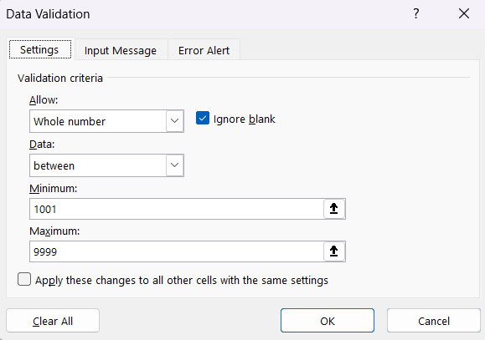
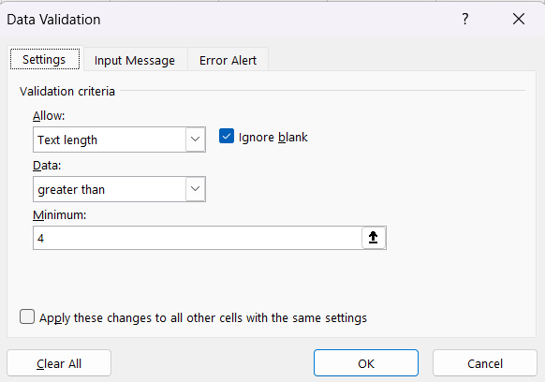
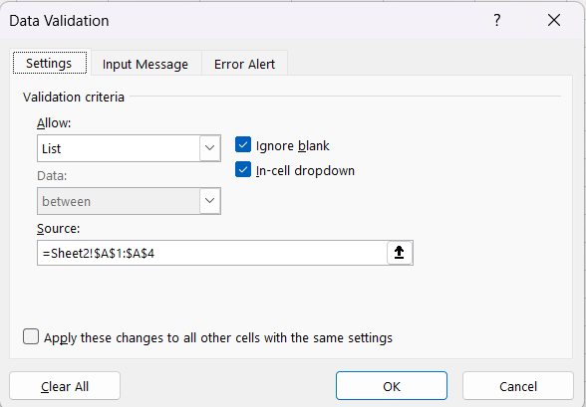
 | Emp ID | Emp Name | Deptt | Salary | DOJ | DOB
 | 1001 | Ramesh | IT | 35000 | 2026-05-03 | 2003-08-28
 | 1002 | Amit sh | Sales | 15000

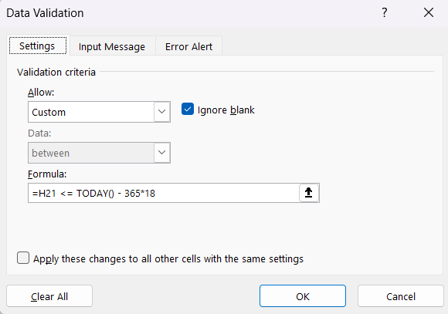
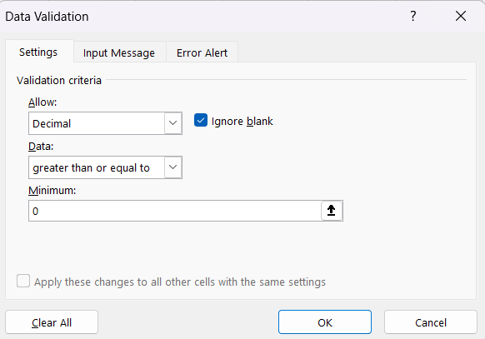
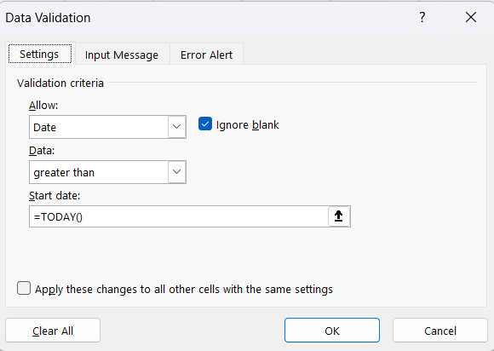
 | DOB: For example if today is 14-08-2024
 |  | Then valid date must be on or before 19-08-2006
 | Custom formula: |  | =H23 <= TODAY() - 365*18

 | Note: The following error message is not user friendly.

Sheet3
Advanced data validation
Data validation includes some options that compels users to input valid entries and shows meaningful messages during data entry
This means it displays meaningful messages that help the end user understand the specific issues with their data entry .
These options are are:
Input message
Error alert

These options are imported because the following generic message is not at all user friendly .

Ex: | Emp ID Should be an integer (whole number) value and it should be between 1001-9999.
 | Emp Name Text length should be greater than or equal to 4 characters.
 | Deptt Should be selected from a drop down list. (HR,IT, Sales,Finance)
 | Salary Should be greater than 0 (zero) and should allow decimal fractional number also
 | Date of Joining Should be a Date type Value and should allow only future dates.
 | Date of Birth should be a date type of value and should only allow dates that are at least 18 years ago.
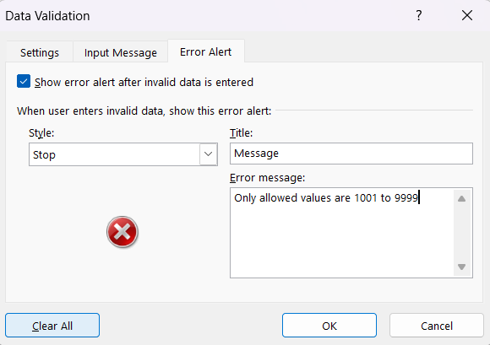
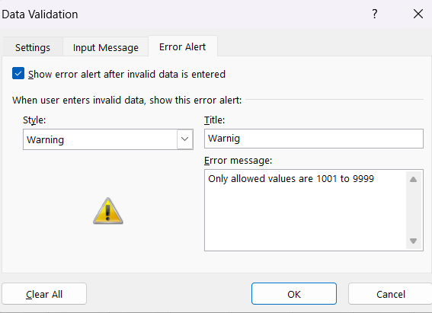
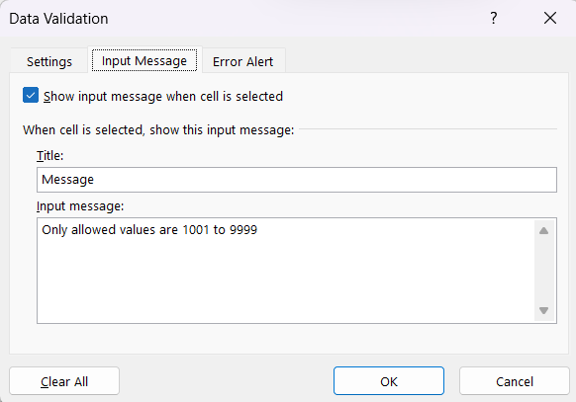
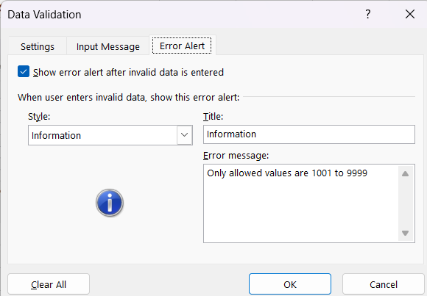
 | Emp ID | Emp Name | Deptt | Salary | DOJ | DOB
 | 1001
 | 1002

Data validation provides some options to display a user friendly messages while entering data

Input message |  | It appears near a cell when a user selects it. It's basically used to guide the user on what type of data to enter in the cell
 | Title | Enter a title for the input message box
 | Input a message | A message that explains the correct data to enter

Error alert |  | It is a message that appears when a user Enters invalid data.
 | Title | Enter a title for the input message box
 | Error message | An error message that explains the error and how to correct it
 | Style | A symbol that indicates the severity of the alert and it changes the data input behaviour also
 | Stop | Prevent user from entering invalid data in a cell
 | Warning | When users that the data they entered is invalid without preventing them From entering it with a choice to accept or reject
 | Information | Inform users that the data they entered is invalid without preventing them from entering it

